Cover
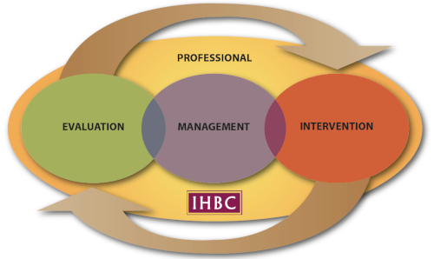

CONTINUING PROFESSIONAL DEVELOPMENT
CPD
PERSONAL DEVELOPMENT ASSESSMENT

 | Name:
 | Address 1:
 | Address 2:
 | Town/city:
 | Postcode:
 | Membership Number:
 | Email:
 | Telephone:
 | Job title or form of work:
 | 2-Year Period covered in Return:

GUIDANCE NOTES
Please see the full Guidance Notes on the IHBC website here:
Guidance Notes
How do I fill in the form?
Fields with a beige background are to be completed by you.
The form has been designed in MS Excel so as to allow you to analyse your achievements. If you are not able to fill in the Excel form, we will email you a Word version or you may print and send it to us in the post.
There are four tabs to be completed and one tab of anaysis tables and charts.
The Cover tab is where you enter your identifying information.
The Development Plan tab is where you plan your development for the next two years.
The CPD Record tab is where you document the CPD you've undertaken over that two-year period.
The Reflection tab is where you record your reflections on the CPD you've undertaken over that two-year period.
Finally, the CPD Analysis tab is where you can see various breakdowns of the CPD you've undertaken. These tables and graphs are filled in automatically.

The IHBC Competences are provided here as a refresher:

AREA OF PROFESSIONAL COMPETENCE
1. PHILOSOPHY: Appreciation of the social, cultural, political, aesthetic, economic and environmental values that underpin current conservation policy and practice
2. PRACTICE: Awareness of the wider context of conservation, including knowledge of and ability to interact effectively with all bodies and individuals who have a significant role to play in the field
AREA OF PRACTICAL COMPETENCE: EVALUATION
3. HISTORY: Knowledge of the development of the historic environment including the remains of previous periods and cultures, historic buildings and settlements, works of engineering, parks, gardens and other elements of the historic landscape
4. RESEARCH/RECORDING/ANALYSIS: Ability to carry out or commission research, analysis and recording of the historic environment and to maintain records accordingly
AREA OF PRACTICAL COMPETENCES: MANAGEMENT
5. LEGISLATION/ POLICY: Knowledge of the legislative and policy framework for the conservation of the historic environment, its formulation locally and nationally, and awareness of other relevant legislation and policies
6. FINANCE/ ECONOMICS: Understanding of the process for the procuring of buildings and facilitating development, including finance, valuation, cost planning and contracts, with specific reference to historic buildings and areas
AREA OF PRACTICAL COMPETENCES: INTERVENTION
7. DESIGN/ PRESENTATION: Ability to analyse and evaluate quality of design, existing and proposed, of buildings and areas and present the results of such analysis in a way understandable to both professional and lay audiences
8. TECHNOLOGY: Knowledge of building construction of all periods, the characteristics of structures, the nature and properties of building materials and appropriate methods of repair and alteration of historic fabric

CPD Analysis
CPD Analysis

 | Name: | 0 | Breakdown by Competence

 | Membership Number: | 0 | Total Hours of:
 |  |  | Comp 1 - Philosophy | 0.0
 | 2-Year Period Covered in Return: | 0 | Comp 2 - Practice | 0.0
 |  |  | Comp 3 - History | 0.0
 | Total Hours of CPD Completed: | 0.0 | Comp 4 - Re / Re / Analysis | 0.0
 |  |  | Comp 5 - Leg / Policy | 0.0
 | Total Number of CPD Activities: | 0 | Comp 6 - Fin / Eco | 0.0
 |  |  | Comp 7 - Design / Pres | 0.0
 |  |  | Comp 8 - Technology | 0.0
 |  |  | Check: | 0.0

 |  |  | Breakdown by Level of Activity

 |  |  | Total Hours of:
 |  |  | Aware | 0.0
 |  |  | Capable | 0.0
 |  |  | Skilled | 0.0
 |  |  | Expert | 0.0
 |  |  | Check: | 0.0

 |  |  | Breakdown by Type of Activity

 |  |  | Total Hours of:
 |  |  | Work-based learning | 0.0
 |  |  | Self-directed study | 0.0
 |  |  | Organised events, courses… | 0.0
 |  |  | Broadening horizons, volunteering | 0.0
 |  |  | Check: | 0.0

